OFFER
PRADA WOMAN accessories ready to ship

PHOTOS 01 | PHOTOS 02 | MODEL | MAT. | COLOR | COMP. | MADE IN | Q.TY | YOUR SELELCTION | AVERAGE RETAIL PRICE | PRICES | AMOUNT YOUR SELELCTION
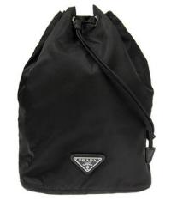 | 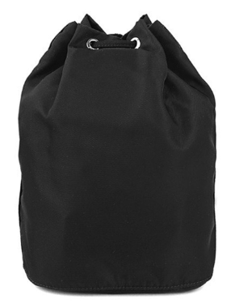 | 1NA369 | 2BQP | F0002 | TESSUTO | TURKEY | 8 |  | € 700.00 | € 399 | € -
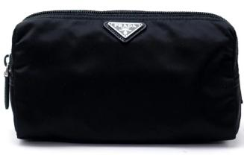 | 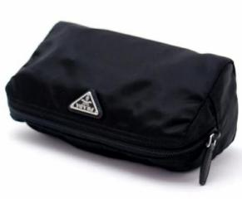 | 1NA693 | 2BQP | F0002 | TESSUTO | TURKEY | 4 |  | € 560.00 | € 323 | € -
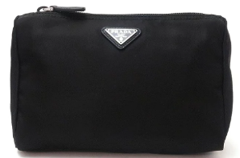 | 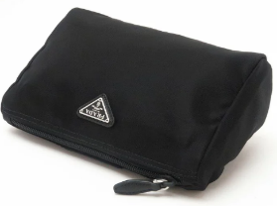 | 1NA011 | 2BQP | F0002 | TESSUTO | ROMANIA | 3 |  | € 440.00 | € 258 | € -
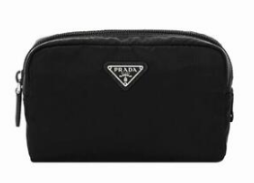 | 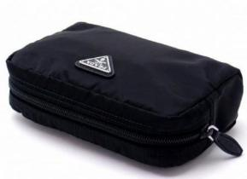 | 1NA021 | 2BQP | F0002 | TESSUTO | TURKEY | 3 |  | € 490.00 | € 285 | € -
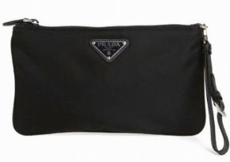 | 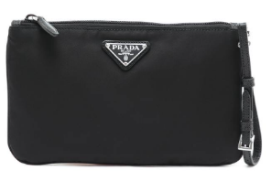 | 1NH545 | 2BQP | F0002 | TESSUTO | ROMANIA | 5 |  | € 660.00 | € 377 | € -
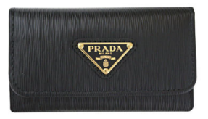 | 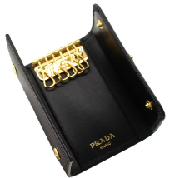 | 1PG222 | 2DDU | F0002 | VITELLO MOVE TR | TURKEY | 5 |  | € 380.00 | € 225 | € -
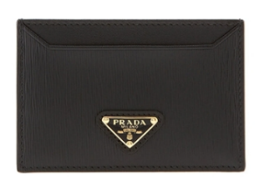 | 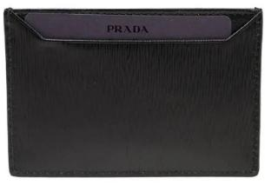 | 1MC208 | 2DDU | F0002 | VITELLO MOVE TR | TURKEY | 10 |  | € 380.00 | € 225 | € -
 | 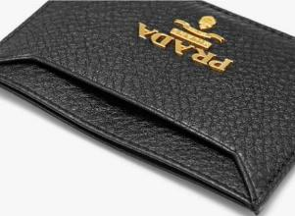 | 1MC208 | 2E3A | F0002 | VITELLO GRAIN | TURKEY | 5 |  | € 380.00 | € 225 | € -
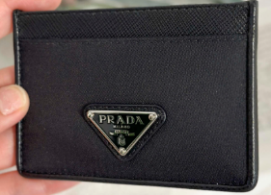 | 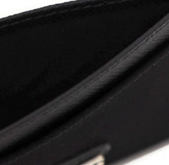 | 1MC208 | UZ0 | F0002 | TESSUTO | TURKEY | 15 |  | € 360.00 | € 215 | € -
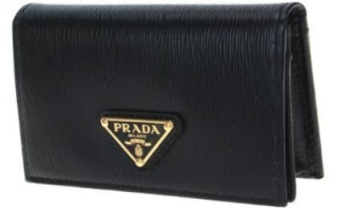 | 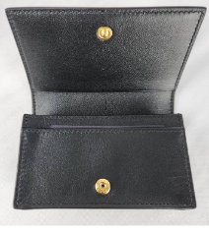 | 1MC122 | 2DDU | F0002 | VITELLO MOVE TR | TURKEY | 5 |  | € 540.00 | € 312 | € -
 | 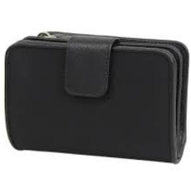 | 1ML018 | UZ0 | F0002 | TESSUTO | TURKEY | 9 |  | € 680.00 | € 388 | € -
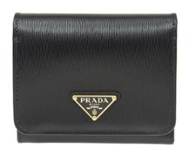 | 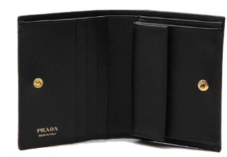 | 1MH025 | 2DDU | F0002 | VITELLO MOVE TR | TURKEY | 2 |  | € 720.00 | € 409 | € -
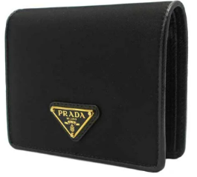 | 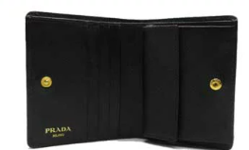 | 1MV204 | UZ0 | F0002 | TESSUTO | TURKEY | 3 |  | € 590.00 | € 339 | € -
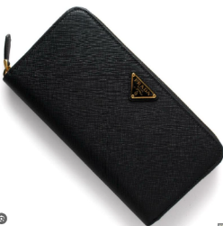 | 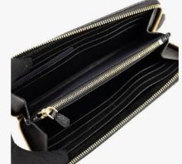 | 1ML506 | 2CN0 | F0002 | VITELLO MOVE TR | TURKEY | 2 |  | € 900.00 | € 507 | € -
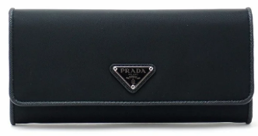 | 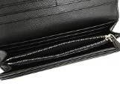 | 1MH132 | UZ0 | F0002 | TESSUTO | TURKEY | 1 |  | € 840.00 | € 474 | € -
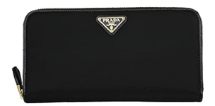 | 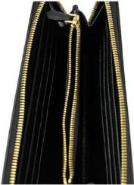 | 1ML506 | UZ0 | F0X3X | TESSUTO | TURKEY | 3 |  | € 840.00 | € 474 | € -
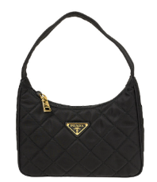 | 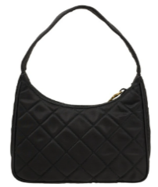 | 1NE051 | 2DYC | F0002 | TESSUTO IMPUNTATO | ROMANIA | 2 |  | € 1,660.00 | € 918 | € -
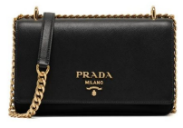 | 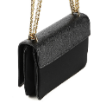 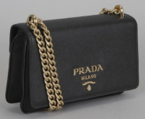 | 1BD144 | ZMY | F0632 | TESSUTO + SAFF | ROMANIA | 10 |  | € 1,820.00 | € 1,004 | € -
 | 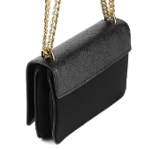 | 1BD009 | ZMY | F0632 | TESSUTO + SAFF | ROMANIA | 2 |  | € 2,100.00 | € 1,156 | € -
 | 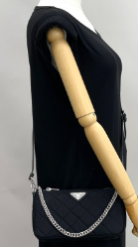 | 1BH026 | 2AS3 | F0002 | TESSUTO IMPUNTATO | TURKEY | 1 |  | € 2,000.00 | € 1,102 | € -
 |  | 1BH152 | 2DGX | F0002 | TESSUTO GAUF | ROMANIA | 5 |  | € 1,680.00 | € 928 | € -
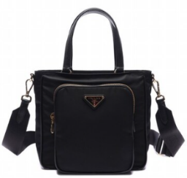 | 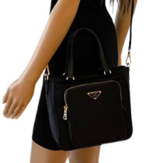 | 1BG308 | ZMY | F0002 | TESSUTO + SAFF | ROMANIA | 4 |  | € 1,820.00 | € 1,004 | € -
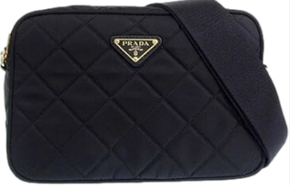 | 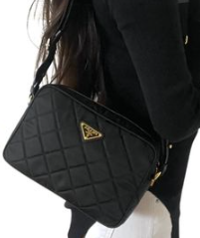 | 1BH089 | 2DYC | F0002 | TESSUTO IMPUNTATO | ROMANIA | 3 |  | € 2,000.00 | € 1,102 | € -
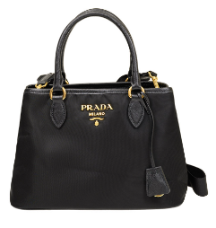 | 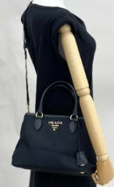 | 1BA173 | ZMY | F0002 | TESSUTO + SAFF | ROMANIA | 2 |  | € 2,000.00 | € 1,102 | € -
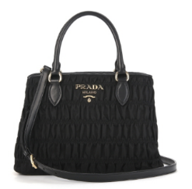 | 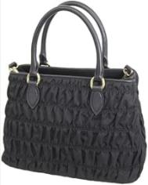 | 1BA173 | 2DGX | F0002 | TESSUTO GAUF | ROMANIA | 10 |  | € 1,900.00 | € 1,047 | € -
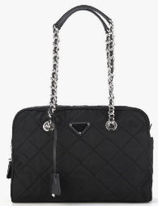 | 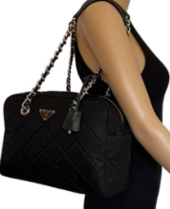 | 1BB903 | 2AS3 | F0002 | TESSUTO IMPUNTATO | ROMANIA | 4 |  | € 2,100.00 | € 1,156 | € -
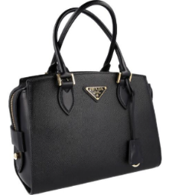 |  | 1BA164 | 2EDV | F0002 | SAFFIANO + SOF | ROMANIA | 1 |  | € 2,700.00 | € 1,480 | € -
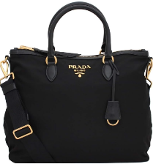 | 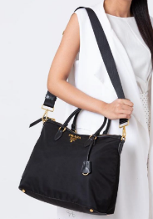 | 1BC060 | ZMY | F0002 | TESSUTO + SAFF | ROMANIA | 1 |  | € 1,940.00 | € 1,069 | € -
 |  | 1BA104 | ZMY | F0002 | TESSUTO + SAFF | ROMANIA | 5 |  | € 1,900.00 | € 1,047 | € -
 |  | 1BG189 | ZOT | F0002 | TESSUTO | ROMANIA | 3 |  | € 1,740.00 | € 961 | € -
 |  | 1BG189 | ZOT | F0002 | TESSUTO | TURKEY | 1 |  | € 1,740.00 | € 961 | € -
 |  |  |  |  |  |  | 137 | 0 |  |  | € -

